Bug Report
Bug ID | Module | Description | Steps to Reproduce | Expected Result | Actual Result | Severity | Screenshot
BUG001 | Signup | Google signup not working | Click Sign up with Google | User should login/signup | PROJECT_NOT_FOUND error | High | 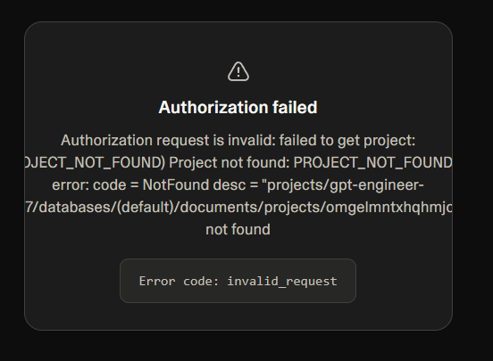
BUG002 | Registration | Invalid phone number accepted | Enter 1234567890 during signup | Should validate/verify number | Accepted directly | Medium | 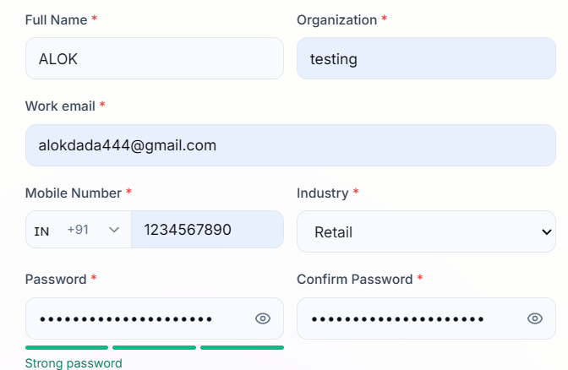
BUG003 | Email Verification | Redirected to Sign In after verification | Verify email link | Should auto login/dashboard | Redirected to login page | Low | 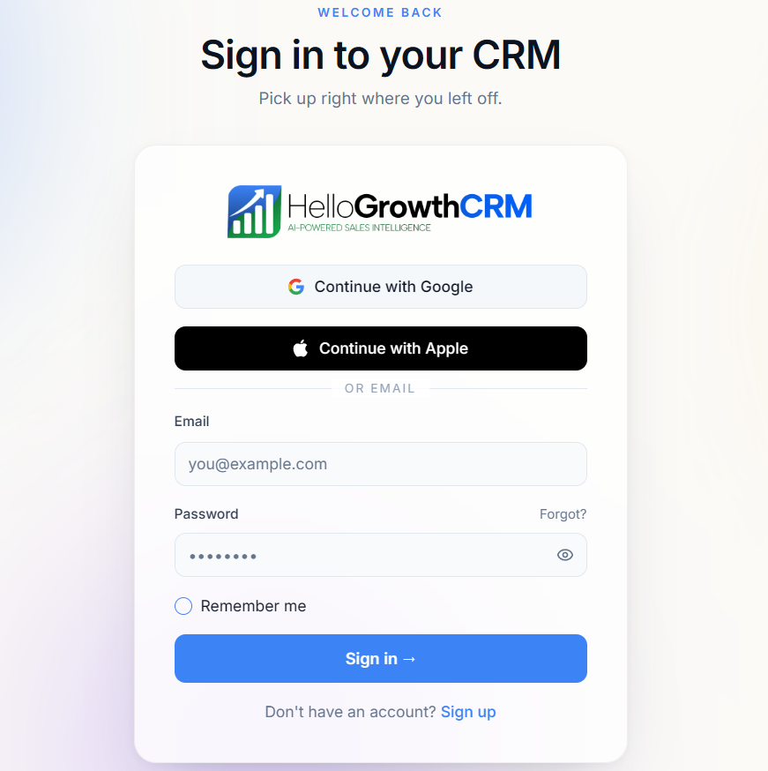
BUG004 | Activities | Delete activity not working | Delete completed activity | Should delete activity | Workspace loading error | High
BUG005 | Profile | No profile update option | Open profile menu | Should allow profile edit | Only password/sign out shown | Medium
BUG006 | Mobile UI | Hamburger icon misaligned | Open mobile view | Proper navbar alignment | Icon below navbar | Low
BUG007 | Mobile UI | AI button overlaps screen | Open mobile view | Button should stay corner | Bottom center overlap | Medium
BUG008 | Backend API | Multiple 400 API errors in console | Open analytics/modules | APIs should respond successfully | 400 Bad Request errors | High | 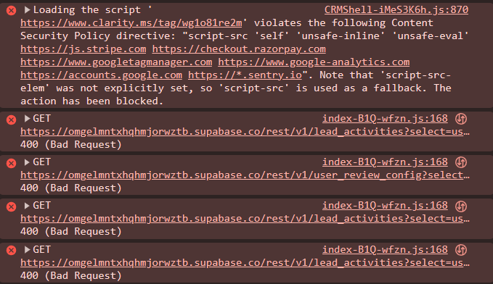
BUG009 | Database Schema | Missing DB column error | Open console while browsing | No schema errors | tenant_id column missing | High
BUG010 | Security / Server Configuration | Directory listing enabled on /assets/ exposing internal static files | Open https://crm.hellobooks.ai/assets/ | Access should be denied or redirect / blank listing disabled | Public index page shows all asset files | Medium | 